Cover
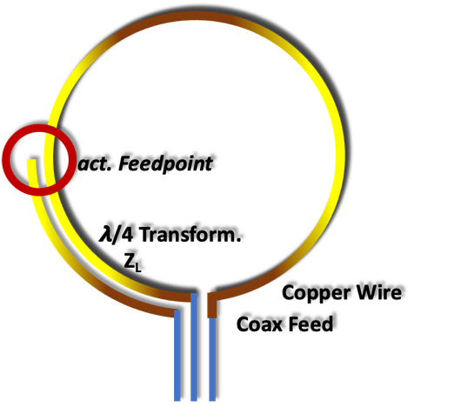

Cool experiments and tools for hobbyists and
future professionals



Tutorial on YouTube!

Cool Tool: | Waveguide Impedance Transformation

 |  | Waveguides: Parallel Wires, Planar Two Band
 |  | Quarter Wavelength Transformer
 |  | Impedance Transformation
 |  | Complex Impedance Transformation

Version 16.10.2022

Further distribution without changes is permitted

Waveguides
Parallel Wires Waveguide
input

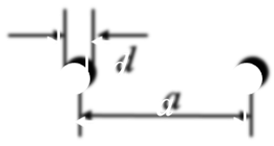
 | Wire distance |  | a = | 9 | mm
 | Wire diameter |  | d = | 2.523 | mm
 | Relative effective permitivity |  | ℇr = | 1

output

 |  |  | ZL = | 233.36048934 | Ohm

Two Bands Waveguide
input

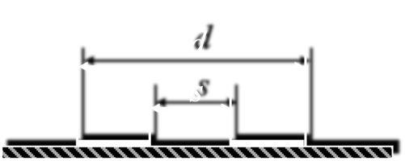
 |  |  | d = | 15 | mm
 | s/d = | 0.32133333333 | s = | 4.82 | mm
 | (s/d min = 0,173) |  | ℇr = | 1.12

output

 |  |  | ZL = | 224.38878397 | Ohm

Complex Impedance Transform.
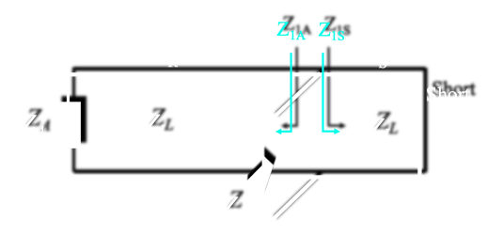
Complex Impedance Transformation
input
% frequency deviation
 | Frequency deviation step for graphic |  |  | 3.0 | %
 | Frequency |  | f = | 866.0 | MHz
 | Waveguide impedance |  | ZL = | 224.6 | Ohm
 | Terminating impedance |  | ZA = | 1,100.0 | Ohm |  |  |  |  |  | a = | 1.3957211713 | 1.5229263339 | 1.6669418043 | 1.8319198092 | 2.0234797273 | 2.2494216588 | 2.5209011095 | 2.8544544192 | 3.2756924823 | 3.8265210578 | 4.5805592868 | 5.6801513065 | 7.4409937258 | 10.731582489 | 19.12538804 | 86.47660019 | -34.33999324 | -14.305844591 | -9.015902548 | -6.5659574921 | -5.1492632803
 | Short impedance |  | ZS = | 0.0 | Ohm |  |  |  |  |  | b = | 0.15153881584 | 0.15813884906 | 0.16475235078 | 0.17137991348 | 0.17802213454 | 0.18467961639 | 0.19135296681 | 0.1980427991 | 0.20474973234 | 0.21147439165 | 0.21821740838 | 0.22497942041 | 0.23176107239 | 0.23856301599 | 0.24538591015 | 0.2522304214 | 0.25909722408 | 0.26598700064 | 0.27290044197 | 0.27983824763 | 0.28680112619
 | Total waveguide length |  | L = | 0.0866 | m |  |  |  |  |  | c = | 0.30247766575 | 0.28701566743 | 0.27351840957 | 0.26173323686 | 0.2514514735 | 0.24250025394 | 0.23473612521 | 0.228040013 | 0.22231324661 | 0.21747441432 | 0.21345687674 | 0.21020680774 | 0.20768166477 | 0.20584901435 | 0.20468565781 | 0.20417701754 | 0.20431675628 | 0.20510661285 | 0.20655644719 | 0.20868449651 | 0.21151785398
 | Feedpoint to Short |  | LS = | 0.0118 | m |  |  | 50.00 | + j | 0.00 | d = | -0.67223235191 | -0.61815564211 | -0.56640308627 | -0.51670762601 | -0.46882899476 | -0.42255010832 | -0.37767384667 | -0.33402020005 | -0.29142374187 | -0.24973138726 | -0.20880039663 | -0.1684965855 | -0.12869270499 | -0.089266960251 | -0.050101636932 | -0.011081808084 | 0.027905904134 | 0.066974536407 | 0.10623798554 | 0.14581222656 | 0.18581657161

output |  |  |  |  |  |  |  |  |  |  |  |  |  |  |  |  |  |  |  |  |  | Frequ var
 |  |  |  |  |  |  |  |  |  |  |  |  |  |  |  |  |  |  |  |  |  | 3
 | Wavelength |  | 𝛌 = | 0.3464 | m | a = | 4.5805592868 |  |  |  | Deviation | -30 | -27 | -24 | -21 | -18 | -15 | -12 | -9 | -6 | -3 | 0 | 3 | 6 | 9 | 12 | 15 | 18 | 21 | 24 | 27 | 30
 | Relative wavelength |  | 𝛌 = | 0.2500 |  | b = | 0.21821740838 |  |  |  |  | 606.2 | 632.18 | 658.16 | 684.14 | 710.12 | 736.1 | 762.08 | 788.06 | 814.04 | 840.02 | 866 | 891.98 | 917.96 | 943.94 | 969.92 | 995.9 | 1021.88 | 1047.86 | 1073.84 | 1099.82 | 1125.8
 |  |  |  |  |  | c = | 0.21345687674 |  |  |  |  | 224.5659416 | 224.5659416 | 224.5659416 | 224.5659416 | 224.5659416 | 224.5659416 | 224.5659416 | 224.5659416 | 224.5659416 | 224.5659416 | 224.5659416 | 224.5659416 | 224.5659416 | 224.5659416 | 224.5659416 | 224.5659416 | 224.5659416 | 224.5659416 | 224.5659416 | 224.5659416 | 224.5659416
towards antenna |  |  |  |  |  | d = | -0.20880039663 |  |  |  |  | 1100 | 1100 | 1100 | 1100 | 1100 | 1100 | 1100 | 1100 | 1100 | 1100 | 1100 | 1100 | 1100 | 1100 | 1100 | 1100 | 1100 | 1100 | 1100 | 1100 | 1100
 | Waveguide length |  | LA = | 0.0748 | m |  |  |  |  |  |  | 0 | 0 | 0 | 0 | 0 | 0 | 0 | 0 | 0 | 0 | 0 | 0 | 0 | 0 | 0 | 0 | 0 | 0 | 0 | 0 | 0
 | Relative waveguide length |  |  | 0.2158 | 𝛌 |  |  |  |  |  |  | 0.0866 | 0.0866 | 0.0866 | 0.0866 | 0.0866 | 0.0866 | 0.0866 | 0.0866 | 0.0866 | 0.0866 | 0.0866 | 0.0866 | 0.0866 | 0.0866 | 0.0866 | 0.0866 | 0.0866 | 0.0866 | 0.0866 | 0.0866 | 0.0866
 | Transformed impedance |  | Re (Z1A) = | 47.94 | Ohm |  |  |  |  |  | ok | 0.011845614233 | 0.011845614233 | 0.011845614233 | 0.011845614233 | 0.011845614233 | 0.011845614233 | 0.011845614233 | 0.011845614233 | 0.011845614233 | 0.011845614233 | 0.011845614233 | 0.011845614233 | 0.011845614233 | 0.011845614233 | 0.011845614233 | 0.011845614233 | 0.011845614233 | 0.011845614233 | 0.011845614233 | 0.011845614233 | 0.011845614233
 |  |  | j Im (Z1A) = | -46.89 | Ohm

towards short |  |  |  |  |  |  |  |  |  |  |  | 0.49488617618 | 0.47454838812 | 0.4558162149 | 0.43850673839 | 0.42246380893 | 0.40755332156 | 0.39365945832 | 0.38068167398 | 0.36853225886 | 0.35713435394 | 0.34642032333 | 0.336330411 | 0.32681162578 | 0.31781681039 | 0.30930386011 | 0.30123506376 | 0.29357654519 | 0.28629778787 | 0.27937122849 | 0.27277190813 | 0.26647717179
 | Waveguide length |  | LS = | 0.0118 | m |  |  |  |  |  |  | 0.17498973333 | 0.18248929333 | 0.18998885333 | 0.19748841333 | 0.20498797333 | 0.21248753333 | 0.21998709333 | 0.22748665333 | 0.23498621333 | 0.24248577333 | 0.24998533333 | 0.25748489333 | 0.26498445333 | 0.27248401333 | 0.27998357333 | 0.28748313333 | 0.29498269333 | 0.30248225333 | 0.30998181333 | 0.31748137333 | 0.32498093333
 | Relative waveguide length |  |  | 0.0342 | 𝛌
 | Transformed impedance |  | Re (Z1S) = | 0.00 | Ohm
 |  |  | j Im (Z1S) = | 49.00 | Ohm |  |  |  |  |  |  | 0.074754385767 | 0.074754385767 | 0.074754385767 | 0.074754385767 | 0.074754385767 | 0.074754385767 | 0.074754385767 | 0.074754385767 | 0.074754385767 | 0.074754385767 | 0.074754385767 | 0.074754385767 | 0.074754385767 | 0.074754385767 | 0.074754385767 | 0.074754385767 | 0.074754385767 | 0.074754385767 | 0.074754385767 | 0.074754385767 | 0.074754385767
 |  |  |  |  |  |  |  |  |  |  |  | 0.15105369551 | 0.15752742531 | 0.16400115512 | 0.17047488493 | 0.17694861474 | 0.18342234454 | 0.18989607435 | 0.19636980416 | 0.20284353397 | 0.20931726377 | 0.21579099358 | 0.22226472339 | 0.2287384532 | 0.235212183 | 0.24168591281 | 0.24815964262 | 0.25463337243 | 0.26110710223 | 0.26758083204 | 0.27405456185 | 0.28052829166
 |  |  |  |  |  |  |  |  |  |  |  | 67.926181824 | 64.453943612 | 61.422919192 | 58.776370784 | 56.467436915 | 54.457297865 | 52.713738987 | 51.210020243 | 49.923983555 | 48.837346627 | 47.935144517 | 47.205289711 | 46.638228603 | 46.226677735 | 45.965427479 | 45.851204197 | 45.882584758 | 46.059959644 | 46.385543057 | 46.863430457 | 47.499706044
 | Transformed impedance Z |  | Re (Z) = | 50.00 | Ohm |  |  |  |  |  |  | -150.96049108 | -138.81670383 | -127.19484239 | -116.03493457 | -105.28302466 | -94.890362949 | -84.812682996 | -75.009560739 | -65.443846999 | -56.081164129 | -46.889457677 | -37.83859438 | -28.899998473 | -20.046318983 | -11.251121274 | -2.4885966671 | 6.2667156381 | 15.040199832 | 23.857433256 | 32.744459954 | 41.728073369
 |  |  | j Im (Z) = | 0.00 | Ohm

 |  |  | Abs = | 50.00 | Ohm
 |  |  |  |  |  |  |  |  |  |  |  | 0.011845614233 | 0.011845614233 | 0.011845614233 | 0.011845614233 | 0.011845614233 | 0.011845614233 | 0.011845614233 | 0.011845614233 | 0.011845614233 | 0.011845614233 | 0.011845614233 | 0.011845614233 | 0.011845614233 | 0.011845614233 | 0.011845614233 | 0.011845614233 | 0.011845614233 | 0.011845614233 | 0.011845614233 | 0.011845614233 | 0.011845614233
 |  |  |  |  |  |  |  |  |  |  |  | 0.023936037826 | 0.024961868019 | 0.025987698212 | 0.027013528404 | 0.028039358597 | 0.029065188789 | 0.030091018982 | 0.031116849174 | 0.032142679367 | 0.03316850956 | 0.034194339752 | 0.035220169945 | 0.036246000137 | 0.03727183033 | 0.038297660522 | 0.039323490715 | 0.040349320907 | 0.0413751511 | 0.042400981293 | 0.043426811485 | 0.044452641678
Solver Application |  |  |  |  |  |  |  |  |  |  |  | 0 | 0 | 0 | 0 | 0 | 0 | 0 | 0 | 0 | 0 | 0 | 0 | 0 | 0 | 0 | 0 | 0 | 0 | 0 | 0 | 0
input |  | output |  |  |  |  |  |  |  |  |  | 34.030456868 | 35.512599544 | 36.997766784 | 38.486091643 | 39.977708269 | 41.472751951 | 42.971359171 | 44.473667658 | 45.979816437 | 47.489945885 | 49.004197786 | 50.522715386 | 52.045643449 | 53.573128317 | 55.10531797 | 56.642362083 | 58.184412091 | 59.731621254 | 61.284144715 | 62.842139575 | 64.405764955

 | to be: Re Z |  |  | 50.00 | Ohm
 | to be: Im Z |  |  | 0.00 | Ohm | These fields are dedicated to work with EXCEL Solver.
 |  |  |  |  |  | Use CRG method, set goal to minimize the cost function. |  |  |  |  | Re(Z) / Ohm | 4.3016970261 | 5.4826307485 | 7.0604464663 | 9.1945377342 | 12.108267635 | 16.096467212 | 21.490078605 | 28.492634299 | 36.759728342 | 44.793535823 | 49.999779458 | 50.432064658 | 46.602164122 | 40.685738158 | 34.583263826 | 29.217103172 | 24.816764605 | 21.308147939 | 18.531833597 | 16.330215408 | 14.572833484
 | Squared Deviation |  |  | 4.86E-08 |  |  |  |  |  |  | Im(Z) / Ohm | -0.9738136635 | -1.8573779718 | -2.8991969162 | -4.1096446768 | -5.4731531957 | -6.9116082681 | -8.2137528372 | -8.9260437419 | -8.2742285703 | -5.3731204808 | -4.6365312833E-05 | 6.6954938135 | 12.882662804 | 17.46305144 | 20.382138271 | 22.065065951 | 22.959312727 | 23.388897385 | 23.55807676 | 23.58823694 | 23.549673361
 | Squared Deviation |  |  | 2.15E-09

 | Cost function for solver |  |  | 5.08E-08

